Howse_1981
Howse (1981) - Five Hundred Years of Nautical Science 1400 - 1900
https://d1wqtxts1xzle7.cloudfront.net/37360438/III_JACKSON.pdf?1429543833=&response-content-disposition=inline%3B+filename%3DIII_JACKSON_Melvin_H_The_Philadelphia_S.pdf&Expires=1628518150&Signature=UJBaXQKxghn65DTHwmOzz561L~t5lsduFDYRkF2UbddmJrt8uV53m09c0vTer9tv~-dQRM6qbheg7fsSHQOWE4mX56yhEa1BdJQYs2MJRwXouRgepw4uwhQH7bXv~QXDqUJ~bXiSZ4NhvH3VPsIKWuAEu6TuT2khFGSJTavL62iGjb8NUPvnsHdWJGzJGh~tpSnKJoK~4MXVgze~CC7PK8ZBd9U6CQZXzj0UPOs4hNj3gye3NNSqSnbjGLpaZH81UjMiuYBi2VsVY80InVHkEqUN8vW8NSVTN1tAXlhOANAKAnhOeleAIZ0xx~bEggVfEG7IA2B8YpeUO50fqLr9aw__&Key-Pair-Id=APKAJLOHF5GGSLRBV4ZA

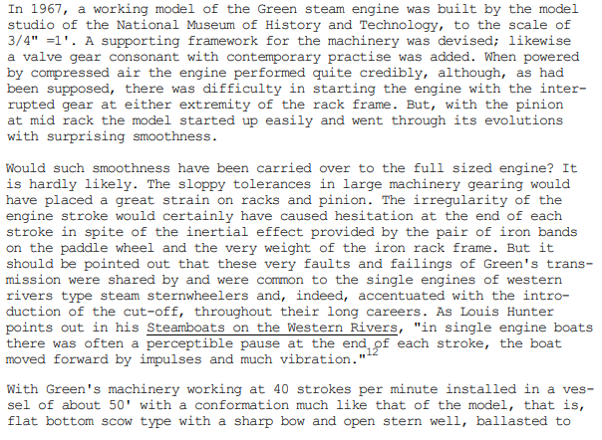
Year | Machine | Theoretcial Efficiency [-]
1967 | Steam engine | 25.00%

Kennedy_1898
Kennedy et al (1898) - The Thermal Efficiency of Steam-Engines
https://www.icevirtuallibrary.com/doi/pdf/10.1680/imotp.1898.19100?casa_token=ldz8zou_o5EAAAAA:V2qgNGJmhWwyVXVgP1Pwi9OIlcfhjbp1MC2z-81NrjAnrhPZgyB_mirWSKDuFxAd2B1CUAw1ExSz

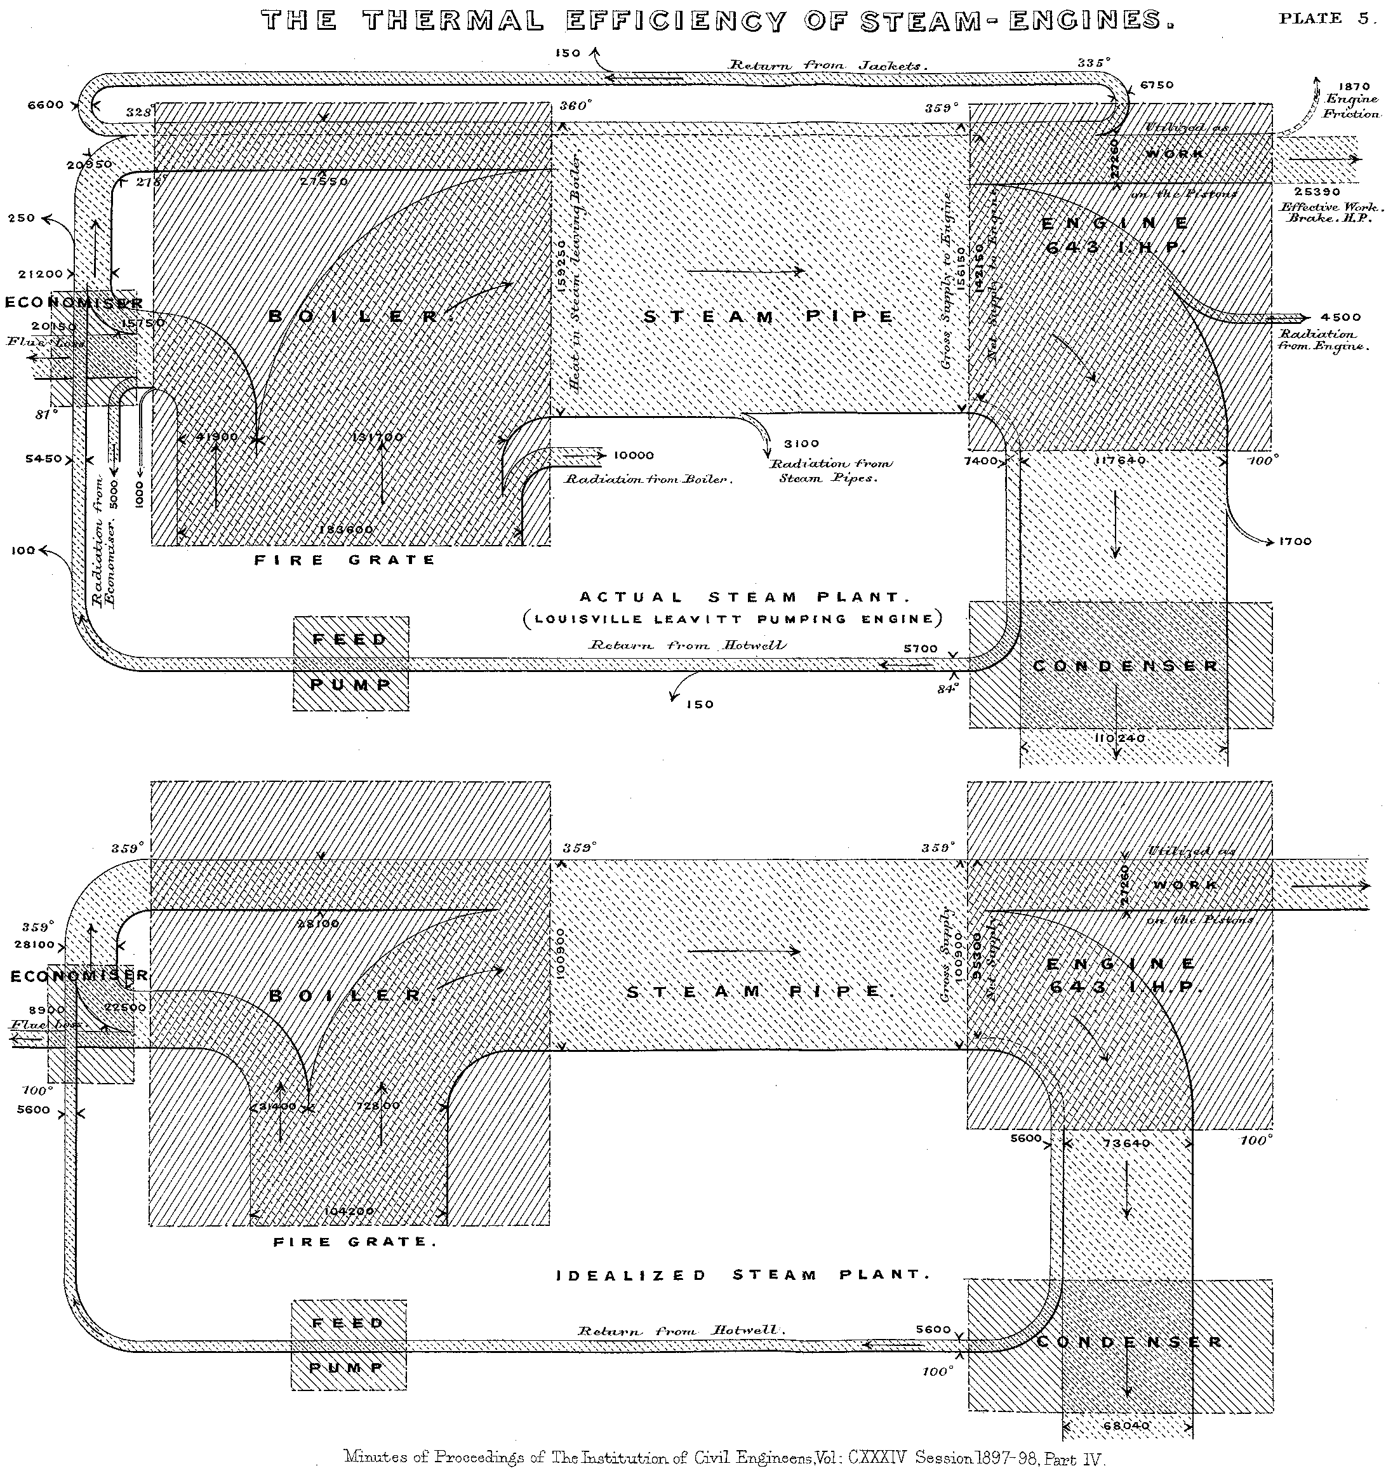
Year | Machine | Efficiency [-]
1898 | Steam plant | 13.83%

Thurston_1902
Thurston (1899) - Stationary Stem Engines Simple and Compound Especially as Adapted to Light and Power Plants
https://archive.org/details/stationarysteame02thur
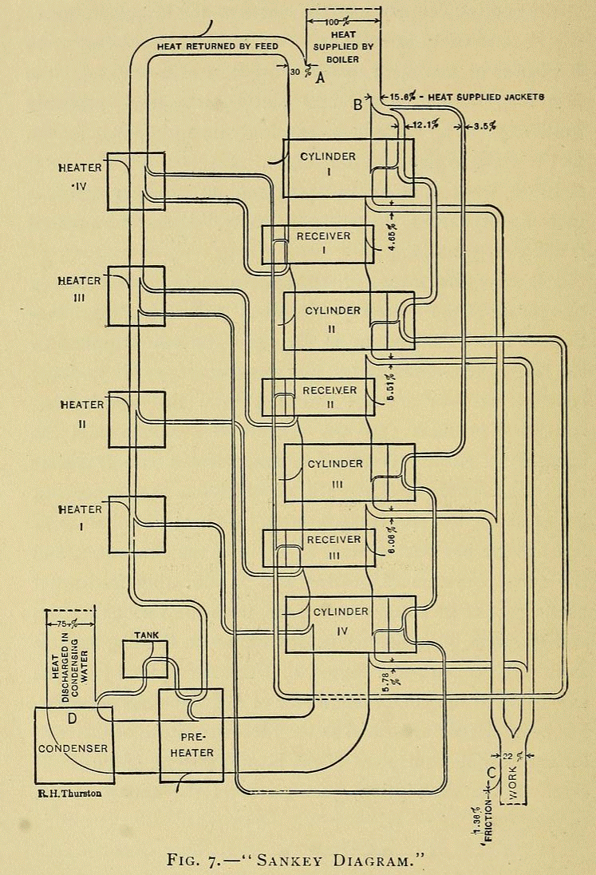

Year | Machine | Efficiency [-]
1899 | Stationary steam engine | 22.00%

Kaneff_1991
Kaneff (1991) - The White Cliffs Project Overview for the period 1979-89

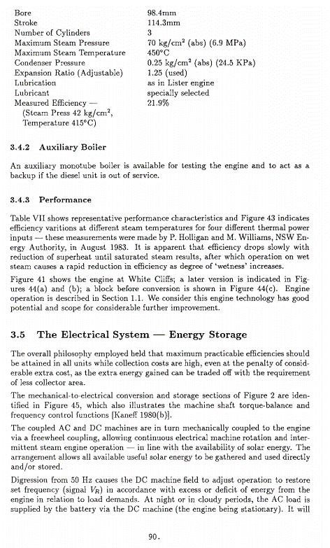
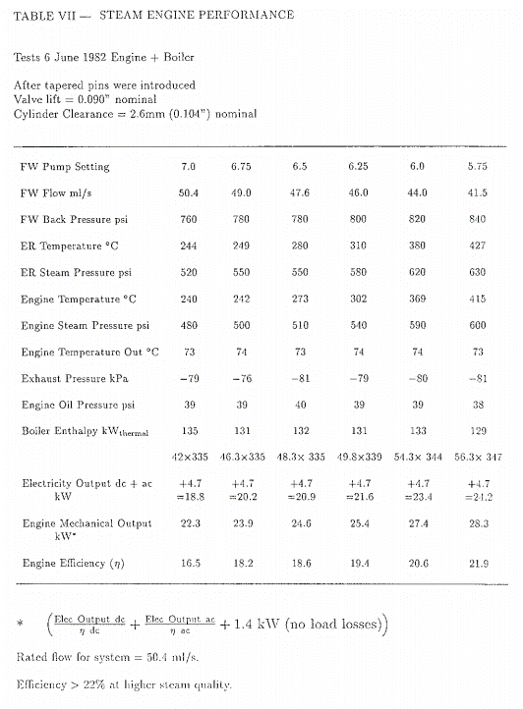
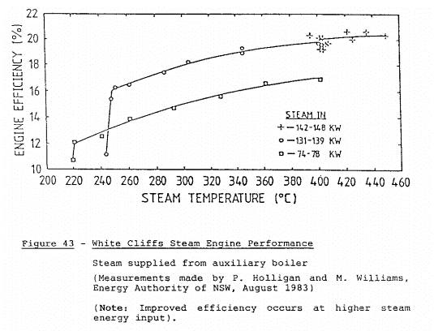

Year | Machine | Efficiency [-]
1982 | Stationary steam engine | 0.219

Main_1865
Main & Brown (1865) - The Marine Steam-Engine
https://archive.org/details/marinesteamengin00main
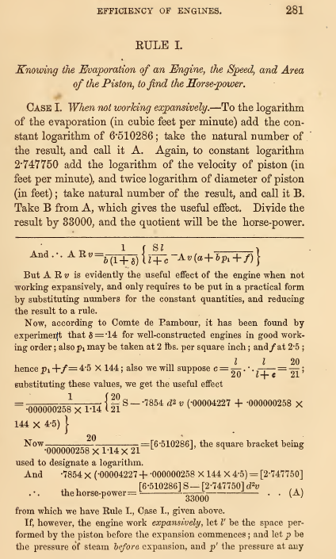

Year | Machine | Efficiency [-]
1865 | Marine steam engine | 0.14

